Sheet1
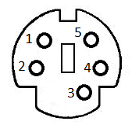
MINI DIN 5p Base to Grip Connectors

 | Color | MD-50PL100 | Function | KMDLAX-5P | Color
 | Red | 1 | GND | 1 | Red
 | Green | 2 | SCL | 2 | Green
 | Brown | 3 | VCC | 3 | Brown
 | Black | 4 | EN | 4 | Black
 | Yellow | 5 | SDA | 5 | Yellow

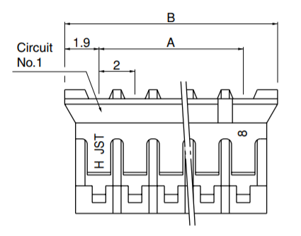

 | Mini DIN 5p to JST-PHR (Base & Grip)

 | Color | DIN 5p | Function | JST-PHR-5 | Color
 | Red | 1 | GND | 4 | Red
 | Green | 2 | SCL | 3 | Green
 | Brown | 3 | VCC | 1 | Brown
 | Black | 4 | EN | 5 | Black
 | Yellow | 5 | SDA | 2 | Yellow

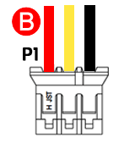
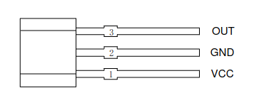
 | JST-PHR-3 to Hall Effect Sensor

 | Color | JST-PHR-3 | Function | AH49H | Color
 | Red | 1 | VCC | 1 | Red
 | Black | 3 | GND | 2 | Black
 | Yellow | 2 | OUT | 3 | Yellow

 | JST-PHR-8 to Faceplate

 | Color | JST-PHR-8 | Function | JST-PHR-8 | Color
 | Red | 1 | Axis1 | 8 | Brown
 | Orange | 2 | Axis2 | 7 | Black
 | Yellow | 3 | Center | 6 | Purple
 | Green | 4 | DirC | 5 | Blue | rj
 | Blue | 5 | DirL | 4 | Green
 | Purple | 6 | DirR | 3 | Yellow
 | Black | 7 | DirU | 2 | Orange
 | Brown | 8 | DirD | 1 | Red

 | JST-PHR-8 to Thumbstick

 | Color | JST-PHR-8 | Function | JST-PHR-8 | Color
 | Black | 1 | Encode A | 1 | Black
 | White | 2 | DirU | 2 | White
 | Red | 3 | VCC | 3 | Red
 | Yellow | 4 | DirR | 4 | Yellow
 | Green | 5 | DirC | 5 | Green
 | Blue | 6 | DirL | 6 | Blue
 | Purple | 7 | DirD | 7 | Purple
 | Brown | 8 | Encode B | 8 | Brown
 |  | wire length = 46mm +/-4mm

 | JST-PHR-3 to Faceplate

 | Color | JST-PHR-3 | Function | AH49H | Color
 | Red | 1 | VCC | 3 | Red
 | Black | 3 | GND | 1 | Black
 | Yellow | 2 | Red Button | 2 | Yellow

